Sheet1
 |  | visited
1 | 2 | 3 | 4 | 5 | 6 | 7 | LOOP | LOAD | QUEUE | VISITED
 |  |  |  |  |  |  | 0 |  | 1
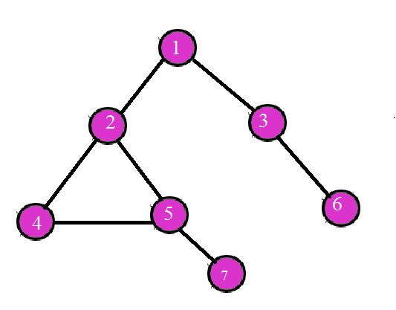
 |  |  |  |  |  |  | 1 | 1 | 2 3 | 1
 |  |  |  |  |  |  | 2 | 2 | 3 4 5 | 1 2
 |  |  |  |  |  |  | 3 | 3 | 4 5 6 | 1 2 3
 |  |  |  |  |  |  | 4 | 4 | 5 6 5 | 1 2 3 4
 |  |  |  |  |  |  | 5 | 5 | 6 5 7 | 1 2 3 4 5
 |  |  |  |  |  |  | 6 | 6 | 5 7 | 1 2 3 4 5 6
 |  |  |  |  |  |  | 7 | 5 | 7 | 1 2 3 4 5 6
 |  |  |  |  |  |  | 8 | 7 |  | 1 23 4 5 6 7

